Sheet1
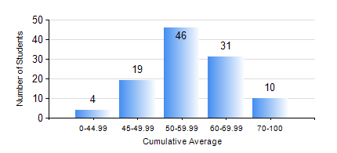
 |  |  | KWAME NKRUMAH UNIVERSITY OF SCIENCE AND TECHNOLOGY, KUMASI Department of Computer Engineering

 |  |  | BSC. COMPUTER ENG.

 |  |  | COMPREHENSIVE RECORD OF EXAMINATION RESULTS

 |  |  | RESULTS OF YEAR 3 FIRST SEMESTER, 2018/2019 ACADEMIC YEAR

 | Sn | Course Code |  | Course Name | Credit Hours | Min. Mark | Max. Mark | Avg. Mark | Std. Dev. | No. Passed | No. Trailed | No. (Df) | No. (I) | No. (I*) | No. Tagged(I,I*,Df) | Total
 | 0. |  |  |  |  |  |  | 0 | 0 | 0 | 0 | 0 | 0 | 0 | 0 | 9
 | 1. | COE 343 |  | INFORMATION THEORY | 2 | 0 | 92 | 63 | 12.71 | 97 | 3 | 0 | 0 | 0 | 0 | 100
 | 2. | COE 351 |  | OBJECT ORIENTED PROGRAMMING | 4 | 0 | 90 | 46 | 14.61 | 91 | 9 | 0 | 0 | 0 | 0 | 100
 | 3. | COE 371 |  | LINEAR ELECTRONIC CIRCUITS | 3 | 0 | 100 | 50 | 15.37 | 89 | 12 | 0 | 0 | 0 | 0 | 101
 | 4. | COE 381 |  | MICROPROCESSORS | 3 | 0 | 96 | 53 | 19.1 | 89 | 11 | 0 | 0 | 0 | 0 | 100
 | 5. | COE 387 |  | CLASSICAL CONTROL SYSTEMS | 3 | 0 | 93 | 48 | 17.55 | 87 | 14 | 0 | 0 | 0 | 0 | 101
 | 6. | MATH 351 |  | NUMERICAL ANALYSIS | 2 | 0 | 91 | 55 | 16.63 | 91 | 9 | 0 | 0 | 0 | 0 | 100
 | 7. | MATH 353 |  | STATISTICS | 2 | 0 | 94 | 59 | 16.69 | 94 | 6 | 0 | 0 | 0 | 0 | 100

